How to use
How to use this tool:
Introduce your own cartridges and printheads prices in the "Data Introduction" worksheet.
The ink cost will automatically update in the "Results" worksheet.

Results
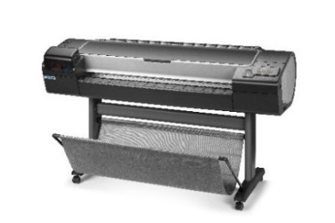 | HP DesignJet Z5600 PostScript Printer - Cost per print -
Media type | File | Print mode |  | Ink usage (1) | Ink + ph cost (2) | Ink+ph+media cost | m2/ink cartr (3)
 |  |  |  | ml/m2 | €/m2 | €/m2
Heavyweight Coated Paper | N5 | Best |  | 5.51 | 2.11 € | 4.00 € | 326 | min: 189 R

 |  | Normal |  | 5.66 | 2.17 € | 4.06 € | 317 | min: 181 R

 | Pasta | Best |  | 9.35 | 3.58 € | 5.47 € | 192 | min: 133 Y

 |  | Normal |  | 9.62 | 3.68 € | 5.57 € | 187 | min: 129 Y

Photo Gloss paper | N5 | Best |  | 5.09 | 1.95 € | 4.51 € | 353 | min: 227 M

 |  | Normal |  | 4.07 | 1.56 € | 4.12 € | 442 | min: 277 M

 | Pasta | Best |  | 9.43 | 3.61 € | 6.17 € | 190 | min: 103 Y

 |  | Normal |  | 7.39 | 2.82 € | 5.39 € | 243 | min: 144 Y

Satin Photo paper | Weddings | Best |  | 11.62 | 4.44 € | 6.94 € | 154 | min: 93 Pk

Polypropylene | Maori Bistro | Normal |  | 9.30 | 3.55 € | 7.11 € | 193 | min: 114 Y

Canvas | Canvas | Best |  | 11.16 | 4.27 € | 17.45 € | 161 | min: 86 Y

 | Supplies prices | Cartridge price |  | Printhead price | Ink price per ml (4) |  | media price per m2

 | Magenta | 108.85 € |  | 58.78 € | 0.38 € | Satin Photo | 2.50 €
 | Yellow | 108.85 € | 300.00 € | 58.78 € | 0.38 € | Heavyweight coated | 1.89 €
 | Photo Black | 108.85 € |  | 58.78 € | 0.38 € | Photo Gloss | 2.57 €
 | Chromatic red | 108.85 € |  | 58.78 € | 0.38 € | Polypropylene | 3.55 €
 | Matte Black | 108.85 € |  | 58.78 € | 0.38 € | Canvas | 13.18 €
 | Cyan | 108.85 € |  | 58.78 € | 0.38 €

All prices are estimated street prices (1) One m2 of fully printed area. (2) Ink + ph (printhead) cost is the result of adding up black ink + black ph cost and color ink + color ph cost. (3) Number of m2 that can be printed with one set of 6 inks. Small figure ("min") is for the color most used, the first to be replaced. (4) "Ink + ph price per ml" considers the price of the cartridges and the price of the printhead (estimated printhead life is 3000 ml). Formula used: Ink + ph price / ml = cartridge price / cartridge capacity + printhead price / printhead estimated life.
This document was created in April 2016. Specifications are subject to change. The accuracy of the content of this document may not be guaranteed, although HP has made all reasonable efforts to ensure the best quality in its tests. © 2016, HP Inc.

